GPA Evaluation
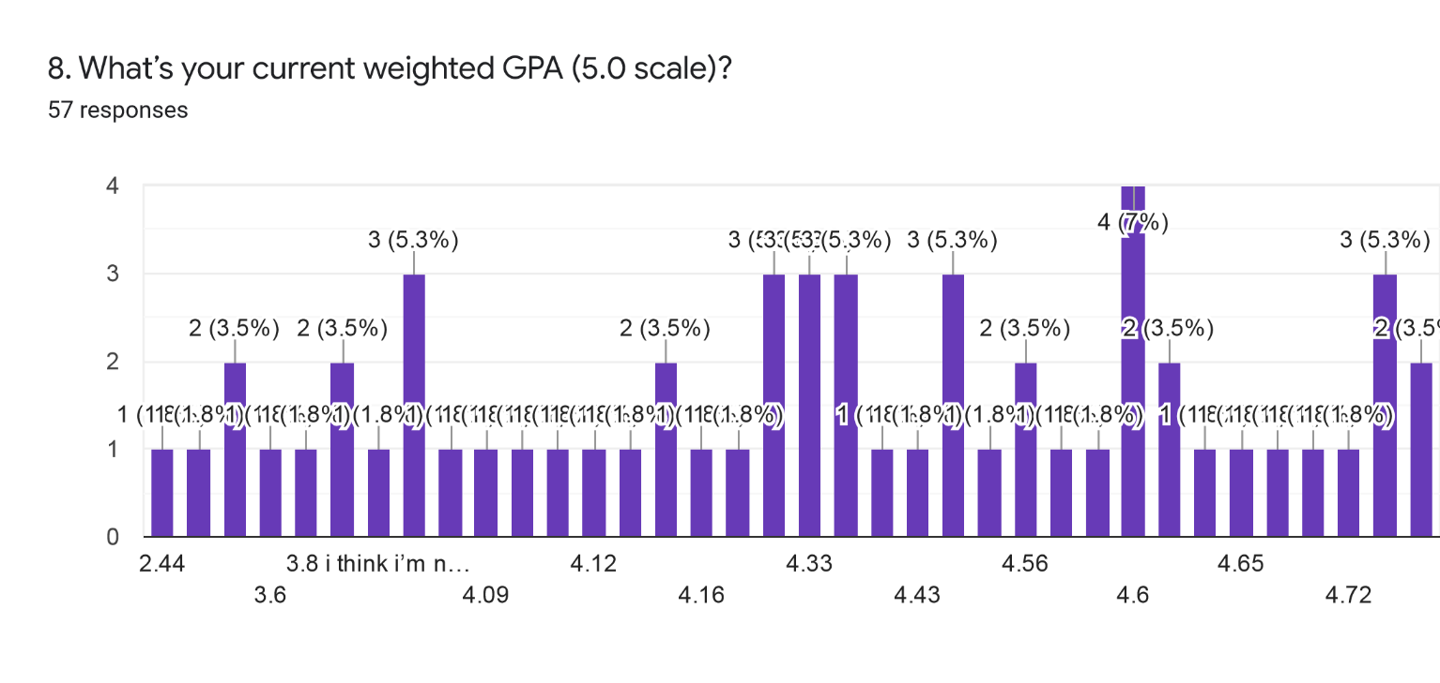
Are you in the WAVE pathway? | What grade level are you? | 7. What’s your current unweighted GPA (4.0 scale)? |  | 8. What’s your current weighted GPA (5.0 scale)?
Yes | Senior | 3.8 | 27 | 4.3
Yes | Senior | 4 | 5 | 4.6
Yes | Senior | 2.8 |  | 3.1
Yes | Senior | 3.65 |  | 4
No | Senior | 3.74 |  | 4.4
Yes | Senior | 4 |  | 4.3
Yes | Senior | 4 |  | 4.5
Yes | Sophomore | 4 |  | 4.16
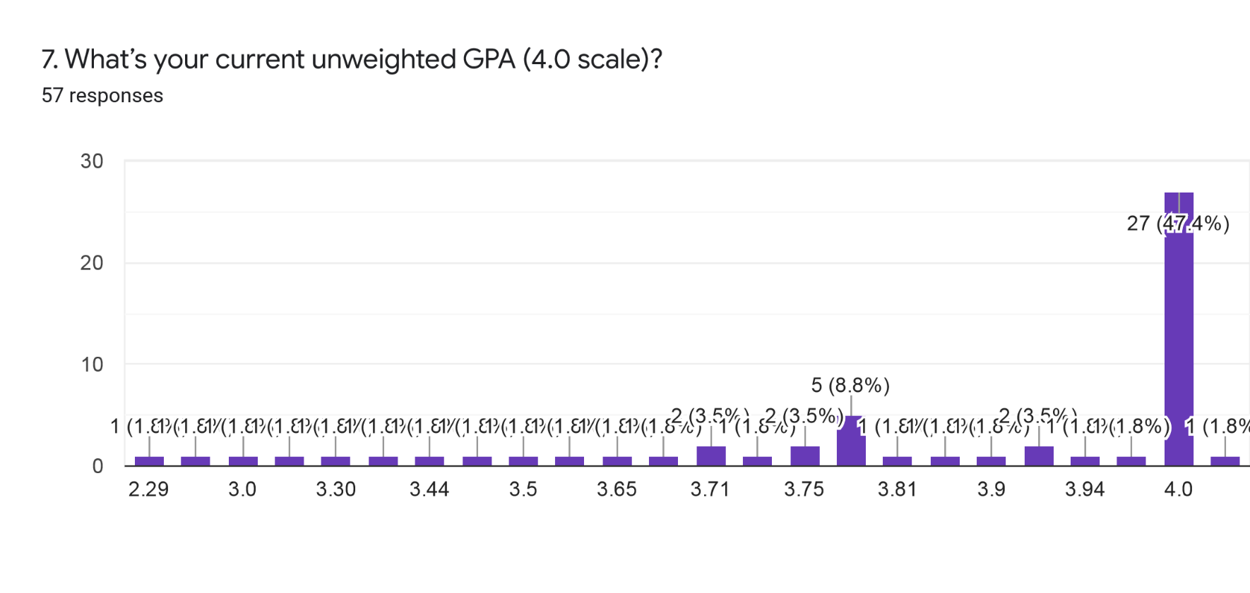
Yes | Senior | 3 |  | 3.8
Yes | Junior | 4 |  | 4.3
Yes | Senior | 3.91 |  | 4.15
Yes | Freshman | 4 |  | 4.15
No | Senior | 4 |  | 4.4
No | Junior | 3.81 |  | 4
No | Sophomore | 3.75 |  | 3.4
Yes | Sophomore | 4 |  | 5
Yes | Sophomore | 3.75 |  | 4.13
Yes | Junior | 4 |  | 4.5
Yes | Sophomore | 4 |  | 4.33
Yes | Senior | 3.94 |  | 4.68
No | Junior | 3.97 |  | 4.07
Yes | Junior | 4 |  | 4.6
Yes | Senior | 4 |  | 4.72
Yes | Freshman | 4 |  | 4.0?
No | Senior | 3.43 |  | 3.8
Yes | Senior | 3.8 |  | 4.4
Yes | Senior | 4 |  | 4.7
Yes | Senior | 3.5 |  | 4.33
No | Senior | 3.71 |  | 4.12
No | Senior | 4 |  | 4.43
No | Junior | 3.5 |  | 3.8 i think i’m not to sure
Yes | Senior | 4 |  | 4.6
Yes | Senior | No grades yet |  | 3.63
Yes | Senior | 3.7 |  | 4.65
Yes | Senior | 3.8 |  | 4.8
No | Senior | 3.8 |  | 4.55
Yes | Senior | 4 |  | 3.6
Yes | Senior | 3.3 |  | 4.4
Yes | Junior | 2.29 |  | 2.44
Yes | Senior | 4 |  | 4.6
Yes | Senior | 4 |  | 4.5
No | Junior | 4 |  | 5
No | Sophomore | 4 |  | 4.5? I'm not sure
No | Junior | 3.83 |  | 4.09
Yes | Junior | 4 |  | 4.33
No | Junior | 3.6 |  | 4
No | Senior | 3.44 |  | 3.4
Yes | Senior | 3.71 |  | 4.56
Yes | Senior | 3.9 |  | 4.6
No | Senior | 4 |  | 4.8
Yes | Sophomore | 4 |  | 4.1
Yes | Senior | 4 |  | 4.62
Yes | Senior | 4 |  | 4.57
Yes | Senior | 3.2 |  | 4.2
Yes | Senior | 4 |  | 4.56
Yes | Senior | 3.91 |  | 4.6
Yes | Senior | 3.8 |  | 4.8

Stress + GPA Correlation
Perceived Stress Evaluation
 | High Level of Stress |  | Moderate Level of Stress |  | Low Level of Stress
91 | 3.8 | 51 | 4 | 39 | 3.8
85 | 2.8 | 43 | 4 | 34 | 3.43
89 | 3.65 | 63 | 4 | 37 | 4
87 | 3.74 | 78 | 3.91
84 | 4 | 74 | 4
80 | 3 | 65 | 4
82 | 3.81 | 55 | 3.75
88 | 3.8 | 52 | 4
93 | 4 | 71 | 3.75
90 | 3.5 | 56 | 4
106 | 3.71 | 63 | 4
88 | 3.5 | 59 | 3.94
80 | 4 | 56 | 3.97
80 | 3.7 | 61 | 4
81 | 3.8 | 40 | 4
81 | 2.29 | 59 | 4
81 | 4 | 66 | 4
82 | 4 | 40 | 4
 |  | 60 | 3.8
 |  | 75 | 4
 |  | 72 | 3.3
 |  | 52 | 4
 |  | 76 | 4
 |  | 53 | 4
 |  | 69 | 3.83
 |  | 61 | 4
 |  | 77 | 3.6
 |  | 67 | 3.44
 |  | 44 | 3.71
 |  | 72 | 3.9
 |  | 74 | 4
 |  | 51 | 4
 |  | 66 | 4
 |  | 48 | 3.2
 |  | 77 | 4
 |  | 48 | 3.91
Senior | 3.8 | 91
Senior | 4 | 39
Senior | 2.8 | 85
Senior | 3.65 | 89
Senior | 3.74 | 87
Senior | 4 | 51
Senior | 4 | 43
Sophomore | 4 | 84
Senior | 3 | 80
Junior | 4 | 63
Senior | 3.91 | 78
Freshman | 4 | 74
Senior | 4 | 65
Junior | 3.81 | 82
Perceived Stress Evaluation
 | High Level of Stress |  | Moderate Level of Stress |  | Low Level of Stress
3.8 | 91 | 4 | 51 | 3.8 | 39
2.8 | 85 | 4 | 43 | 3.43 | 34
3.65 | 89 | 4 | 63 | 4 | 37
3.74 | 87 | 3.91 | 78
4 | 84 | 4 | 74
3 | 80 | 4 | 65
3.81 | 82 | 3.75 | 55
3.8 | 88 | 4 | 52
4 | 93 | 3.75 | 71
3.5 | 90 | 4 | 56
3.71 | 106 | 4 | 63
3.5 | 88 | 3.94 | 59
4 | 80 | 3.97 | 56
3.7 | 80 | 4 | 61
3.8 | 81 | 4 | 40
2.29 | 81 | 4 | 59
4 | 81 | 4 | 66
4 | 82 | 4 | 40
 |  | 3.8 | 60
 |  | 4 | 75
 |  | 3.3 | 72
 |  | 4 | 52
 |  | 4 | 76
 |  | 4 | 53
 |  | 3.83 | 69
 |  | 4 | 61
 |  | 3.6 | 77
 |  | 3.44 | 67
 |  | 3.71 | 44
 |  | 3.9 | 72
 |  | 4 | 74
 |  | 4 | 51
 |  | 4 | 66
 |  | 3.2 | 48
 |  | 4 | 77
 |  | 3.91 | 48
Sophomore | 3.75 | 55
Sophomore | 4 | 52
Sophomore | 3.75 | 71
Junior | 4 | 56
Sophomore | 4 | 63
Senior | 3.94 | 59
Junior | 3.97 | 56
Junior | 4 | 61
Senior | 4 | 40
Freshman | 4 | 59
Senior | 3.43 | 34
Senior | 3.8 | 88
Senior | 4 | 93
Senior | 3.5 | 90
Senior | 3.71 | 106
Senior | 4 | 66
Junior | 3.5 | 88
Senior | 4 | 40
Perceived Stress Evaluation
 | High Level of Stress |  | Moderate Level of Stress |  | Low Level of Stress
3.8 | 91 | 4 | 51 | 3.8 | 39
2.8 | 85 | 4 | 43 | 3.43 | 34
3.65 | 89 | 4 | 63 | 4 | 37
3.74 | 87 | 3.91 | 78
4 | 84 | 4 | 74
3 | 80 | 4 | 65
3.81 | 82 | 3.75 | 55
3.8 | 88 | 4 | 52
4 | 93 | 3.75 | 71
3.5 | 90 | 4 | 56
3.71 | 106 | 4 | 63
3.5 | 88 | 3.94 | 59
4 | 80 | 3.97 | 56
3.7 | 80 | 4 | 61
3.8 | 81 | 4 | 40
2.29 | 81 | 4 | 59
4 | 81 | 4 | 66
4 | 82 | 4 | 40
 |  | 3.8 | 60
 |  | 4 | 75
 |  | 3.3 | 72
 |  | 4 | 52
 |  | 4 | 76
 |  | 4 | 53
 |  | 3.83 | 69
 |  | 4 | 61
 |  | 3.6 | 77
 |  | 3.44 | 67
 |  | 3.71 | 44
 |  | 3.9 | 72
 |  | 4 | 74
 |  | 4 | 51
 |  | 4 | 66
 |  | 3.2 | 48
 |  | 4 | 77
 |  | 3.91 | 48
Senior | 4 | 80
Senior | 3.7 | 80
Senior | 3.8 | 60
Senior | 3.8 | 81
Senior | 4 | 75
Senior | 3.3 | 72
Junior | 2.29 | 81
Senior | 4 | 52
Senior | 4 | 76
Junior | 4 | 53
Sophomore | 4 | 81
Junior | 3.83 | 69
Junior | 4 | 61
Junior | 3.6 | 77
Senior | 3.44 | 67
Senior | 3.71 | 44
Senior | 3.9 | 72
Senior | 4 | 74
Sophomore | 4 | 51
Senior | 4 | 66
Senior | 4 | 82
Senior | 3.2 | 48
Senior | 4 | 77
Senior | 3.91 | 48
Senior | 3.8 | 37

Mental Health Evaluation
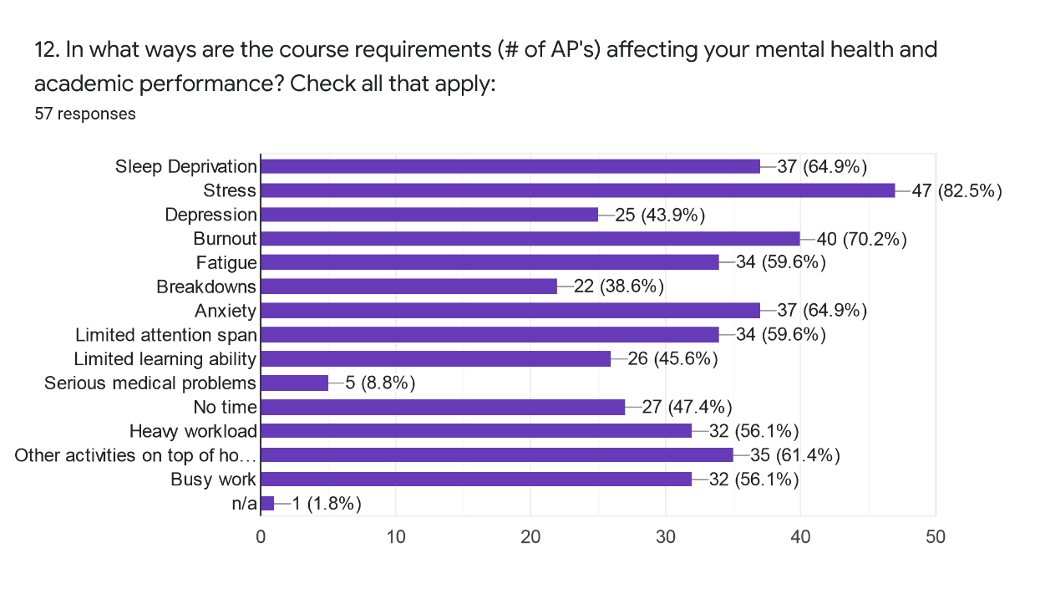
Are you in the WAVE pathway? | What grade level are you? |  |  |  | Frequency
Yes | Senior | 4 | 1 | Freshman | 2
Yes | Senior | 4 | 2 | Sophomore | 7 | Number of participants |  | 57
Yes | Senior | 4 | 3 | Junior | 11
Yes | Senior | 4 | 4 | Senior | 37 | Sleep Deprivation | 64.9% | 37
No | Senior | 4 |  |  |  | Stress | 82.5% | 47
Yes | Senior | 4 |  |  |  | Depression | 43.9% | 25
Yes | Senior | 4 |  |  |  | Burnout | 70.2% | 40
4%
12%
Yes | Sophomore | 2 |  |  |  | Fatigue | 59.6% | 34
Yes | Senior | 4 |  |  |  | Breakdowns | 38.6% | 22
Yes | Junior | 3 |  |  |  | Anxiety | 64.9% | 37
19%
Yes | Senior | 4 |  |  |  | Limited Attention Span | 59.6% | 34
Yes | Freshman | 1 |  |  |  | Limited Learning Ability | 45.6% | 26
65%
No | Senior | 4 |  |  |  | Seriour Medical Problems | 8.8% | 5
No | Junior | 3 |  |  |  | No Time | 47.4% | 27
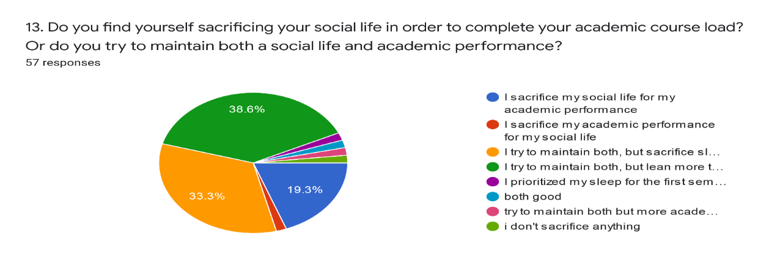
No | Sophomore | 2 |  |  |  | Heavy Workload | 56.1% | 32
Yes | Sophomore | 2 |  |  |  | Other Activities on top of Homework | 61.4% | 35
Yes | Sophomore | 2 |  |  |  | Busy Work | 56.1% | 32
Yes | Junior | 3 |  |  |  | N/A | 1.8% | 1
Yes | Sophomore | 2
Yes | Senior | 4
No | Junior | 3
Yes | Junior | 3
Yes | Senior | 4
Yes | Freshman | 1
No | Senior | 4
Yes | Senior | 4
Yes | Senior | 4
Yes | Senior | 4
No | Senior | 4
No | Senior | 4
No | Junior | 3
Yes | Senior | 4
Yes | Senior | 4
Yes | Senior | 4
Yes | Senior | 4
No | Senior | 4
Yes | Senior | 4
Yes | Senior | 4
Yes | Junior | 3
Yes | Senior | 4
Yes | Senior | 4
No | Junior | 3
No | Sophomore | 2
No | Junior | 3
Yes | Junior | 3
No | Junior | 3
No | Senior | 4
Yes | Senior | 4
Yes | Senior | 4
No | Senior | 4
Yes | Sophomore | 2
Yes | Senior | 4
Yes | Senior | 4
Yes | Senior | 4
Yes | Senior | 4
Yes | Senior | 4
Yes | Senior | 4

Self-Efficacy+GPA Correlation
Senior | 3.8 | 28
Senior | 4 | 31
Senior | 2.8 | 27
Senior | 3.65 | 25
Senior | 3.74 | 28
Senior | 4 | 28
Self-Efficacy Evaluation
 | High Self-Efficacy |  | Moderate Self-Efficacy
3.8 | 34 | 2.8 | 27
4 | 38 | 3.65 | 26
3.74 | 32 | 4 | 24
4 | 30 | 4 | 22
4 | 30 | 3.81 | 24
3 | 29 | 3.97 | 26
4 | 29 | 4 | 23
3.91 | 38 | 4 | 27
4 | 32 | 3.5 | 20
3.75 | 30 | 3.71 | 24
 | 31 | 3.5 | 27
 | 30 | 3.7 | 25
 | 34 | 3.8 | 27
 | 33 | 3.3 | 25
 | 29 | 2.29 | 27
 | 29 | 4 | 26
 | 28 | 3.83 | 27
 | 39 | 4 | 24
 | 37 | 3.6
 | 34 | 3.44
 | 29 | 4
 | 32 | 3.91
 | 29
 | 29
 | 34
 | 34
 | 32
 | 35
 | 28
 | 35
 | 31
 | 28
 | 28
 | 31
 | 28
Senior | 4 | 31
Sophomore | 4 | 26
Senior | 3 | 35
Junior | 4 | 28
Senior | 3.91 | 35
Freshman | 4 | 32
Senior | 4 | 26
Junior | 3.81 | 24
Sophomore | 3.75 | 34
Sophomore | 4 | 34
Sophomore | 3.75 | 29
Junior | 4 | 29
Sophomore | 4 | 32
Senior | 3.94 | 29
Junior | 3.97 | 27
Junior | 4 | 26
Senior | 4 | 34
Freshman | 4 | 27
Senior | 3.43 | 37
Senior | 3.8 | 39
Senior | 4 | 28
Senior | 3.5 | 25
Senior | 3.71 | 27
Senior | 4 | 29
Junior | 3.5 | 25
Senior | 4 | 33
Senior | 4 | 29
Senior | 3.7 | 27
Senior | 3.8 | 34
Senior | 3.8 | 24
Senior | 4 | 30
Senior | 3.3 | 27
Junior | 2.29 | 20
Senior | 4 | 31
Senior | 4 | 23
Junior | 4 | 30
Sophomore | 4 | 32
Junior | 3.83 | 26
Junior | 4 | 24
Junior | 3.6 | 22
Senior | 3.44 | 24
Senior | 3.71 | 38
Senior | 3.9 | 29
Senior | 4 | 26
Sophomore | 4 | 29
Senior | 4 | 30
Senior | 4 | 30
Senior | 3.2 | 32
Senior | 4 | 38
Senior | 3.91 | 27
Senior | 3.8 | 34

HW+Sleep per day
HW | Sleep | HW | Sleep | HW: 4-5 Hours
4-5 hours | 5-6 hours | 4-5 hours | 5-6 hrs | 7
0-1 hours | 7-8 hours | 4-5 hours | 7-8 hrs | 8
2-3 hours | 3-4 hours | 4-5 hours | 3-4 hrs | 2
4-5 hours | 3-4 hours | 4-5 hours | 1-2 hrs | 1
4-5 hours | 7-8 hours
2-3 hours | 5-6 hours |  |  | HW: 2-3 Hours
2-3 hours | 5-6 hours | 2-3 hours | 5-6 hrs | 11
2-3 hours | 7-8 hours | 2-3 hours | 7-8 hrs | 12
0-1 hours | 7-8 hours | 2-3 hours | 3-4 hrs | 1
2-3 hours | 7-8 hours | 2-3 hours | 9+ hrs | 1
2-3 hours | 7-8 hours
4-5 hours | 7-8 hours | 6-7 hours | 3-4 hrs | 1
0-1 hours | 7-8 hours | 6-7 hours | 7-8 hrs | 1
2-3 hours | 7-8 hours
0-1 hours | 5-6 hours | 0-1 hrs | 5-6 hrs | 3
2-3 hours | 5-6 hours | 0-1 hrs | 7-8 hrs | 8
2-3 hours | 5-6 hours
2-3 hours | 7-8 hours | 3-4 hours | 5-6 hrs | 1
2-3 hours | 7-8 hours
0-1 hours | 7-8 hours
2-3 hours | 7-8 hours
2-3 hours | 7-8 hours
0-1 hours | 7-8 hours
2-3 hours | 7-8 hours
0-1 hours | 7-8 hours
4-5 hours | 5-6 hours
4-5 hours | 1-2 hours
4-5 hours | 7-8 hours
4-5 hours | 5-6 hours
6-7 hours | 7-8 hours
4-5 hours | 5-6 hours
0-1 hours | 5-6 hours
0-1 hours | 5-6 hours
2-3 hours | 5-6 hours
4-5 hours | 7-8 hours
4-5 hours | 5-6 hours
4-5 hours | 5-6 hours
6-7 hours | 3-4 hours
4-5 hours | 7-8 hours
2-3 hours | 5-6 hours
3-4 hours | 5-6 hours
2-3 hours | 5-6 hours
2-3 hours | 7-8 hours
4-5 hours | 5-6 hours
0-1 hours | 7-8 hours
4-5 hours | 3-4 hours
2-3 hours | 5-6 hours
2-3 hours | 5-6 hours
2-3 hours | 5-6 hours
2-3 hours | 7-8 hours
0-1 hours | 7-8 hours
4-5 hours | 7-8 hours
4-5 hours | 7-8 hours
2-3 hours | 7-8 hours
4-5 hours | 7-8 hours
2-3 hours | 5-6 hours
2-3 hours | 9+ hours

